Table A-1
This file presents data from the tables in CBO's January 2025 report The Budget and Economic Outlook: 2025 to 2035 and also provides supplemental data.
www.cbo.gov/publication/60870

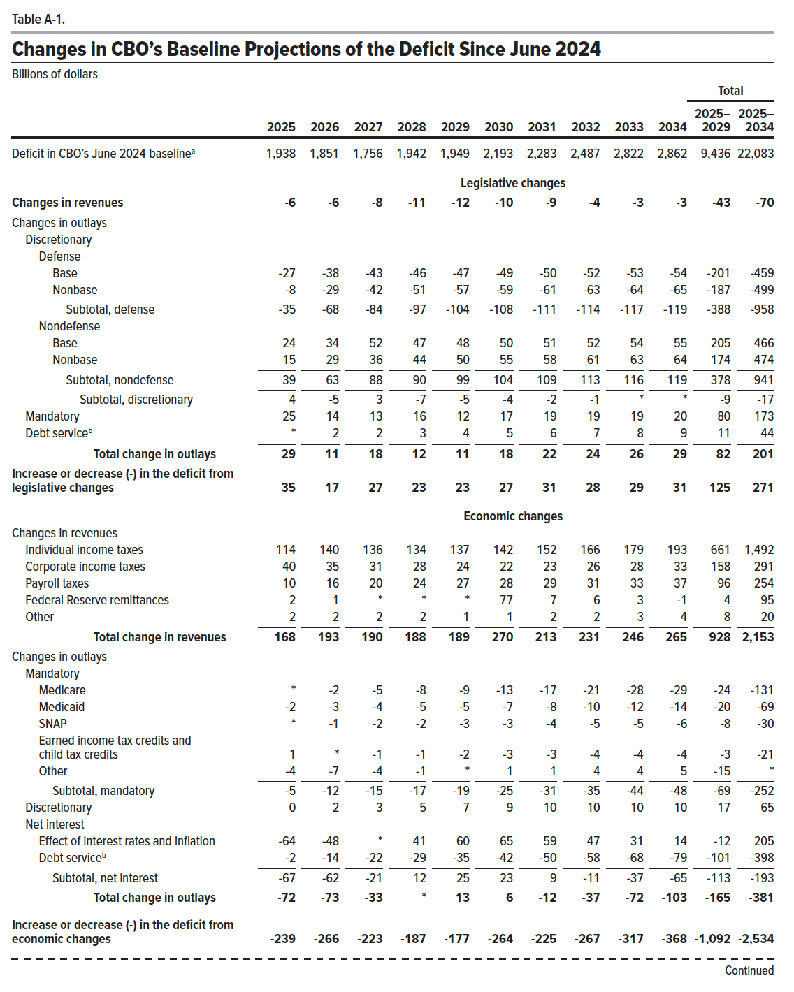
Table A-1. Changes in CBO's Baseline Projections of the Deficit Since June 2024
Billions of dollars

 |  |  |  |  |  |  |  |  |  |  | Total
 | 2025 | 2026 | 2027 | 2028 | 2029 | 2030 | 2031 | 2032 | 2033 | 2034 | 2025–2029 | 2025–2034
Deficit in CBO’s June 2024 baseline | 1,938 | 1,851 | 1,756 | 1,942 | 1,949 | 2,193 | 2,283 | 2,487 | 2,822 | 2,862 | 9,436 | 22,083
 | Legislative changes
Changes in revenues | -6 | -6 | -8 | -11 | -12 | -10 | -9 | -4 | -3 | -3 | -43 | -70
Changes in outlays
Discretionary
Defense
Base | -27 | -38 | -43 | -46 | -47 | -49 | -50 | -52 | -53 | -54 | -201 | -459
Nonbase | -8 | -29 | -42 | -51 | -57 | -59 | -61 | -63 | -64 | -65 | -187 | -499
Subtotal, defense | -35 | -68 | -84 | -97 | -104 | -108 | -111 | -114 | -117 | -119 | -388 | -958
Nondefense
Base | 24 | 34 | 52 | 47 | 48 | 50 | 51 | 52 | 54 | 55 | 205 | 466
Nonbase | 15 | 29 | 36 | 44 | 50 | 55 | 58 | 61 | 63 | 64 | 174 | 474
Subtotal, nondefense | 39 | 63 | 88 | 90 | 99 | 104 | 109 | 113 | 116 | 119 | 378 | 941
Subtotal, discretionary | 4 | -5 | 3 | -7 | -5 | -4 | -2 | -1 | 0 | 0 | -9 | -17
Mandatory | 25 | 14 | 13 | 16 | 12 | 17 | 19 | 19 | 19 | 20 | 80 | 173
Debt service | 0 | 2 | 2 | 3 | 4 | 5 | 6 | 7 | 8 | 9 | 11 | 44
Total change in outlays | 29 | 11 | 18 | 12 | 11 | 18 | 22 | 24 | 26 | 29 | 82 | 201
Increase or decrease (-) in the deficit from legislative changes | 35 | 17 | 27 | 23 | 23 | 27 | 31 | 28 | 29 | 31 | 125 | 271
 | Economic changes
Changes in revenues
Individual income taxes | 114 | 140 | 136 | 134 | 137 | 142 | 152 | 166 | 179 | 193 | 661 | 1,492
Corporate income taxes | 40 | 35 | 31 | 28 | 24 | 22 | 23 | 26 | 28 | 33 | 158 | 291
Payroll taxes | 10 | 16 | 20 | 24 | 27 | 28 | 29 | 31 | 33 | 37 | 96 | 254
Federal Reserve remittances | 2 | 1 | 0 | 0 | 0 | 77 | 7 | 6 | 3 | -1 | 4 | 95
Other | 2 | 2 | 2 | 2 | 1 | 1 | 2 | 2 | 3 | 4 | 8 | 20
Total change in revenues | 168 | 193 | 190 | 188 | 189 | 270 | 213 | 231 | 246 | 265 | 928 | 2,153
Changes in outlays
Mandatory
Medicare | 0 | -2 | -5 | -8 | -9 | -13 | -17 | -21 | -28 | -29 | -24 | -131
Medicaid | -2 | -3 | -4 | -5 | -5 | -7 | -8 | -10 | -12 | -14 | -20 | -69
SNAP | 0 | -1 | -2 | -2 | -3 | -3 | -4 | -5 | -5 | -6 | -8 | -30
Earned income tax credits and child tax credits | 1 | 0 | -1 | -1 | -2 | -3 | -3 | -4 | -4 | -4 | -3 | -21
Other | -4 | -7 | -4 | -1 | 0 | 1 | 1 | 4 | 4 | 5 | -15 | 0
Subtotal, mandatory | -5 | -12 | -15 | -17 | -19 | -25 | -31 | -35 | -44 | -48 | -69 | -252
Discretionary | 0 | 2 | 3 | 5 | 7 | 9 | 10 | 10 | 10 | 10 | 17 | 65
Net interest
Effect of interest rates and inflation | -64 | -48 | 0 | 41 | 60 | 65 | 59 | 47 | 31 | 14 | -12 | 205
Debt service | -2 | -14 | -22 | -29 | -35 | -42 | -50 | -58 | -68 | -79 | -101 | -398
Subtotal, net interest | -67 | -62 | -21 | 12 | 25 | 23 | 9 | -11 | -37 | -65 | -113 | -193
Total change in outlays | -72 | -73 | -33 | 0 | 13 | 6 | -12 | -37 | -72 | -103 | -165 | -381
Increase or decrease (-) in the deficit from economic changes | -239 | -266 | -223 | -187 | -177 | -264 | -225 | -267 | -317 | -368 | -1,092 | -2,534
 | Technical changes
Changes in revenues
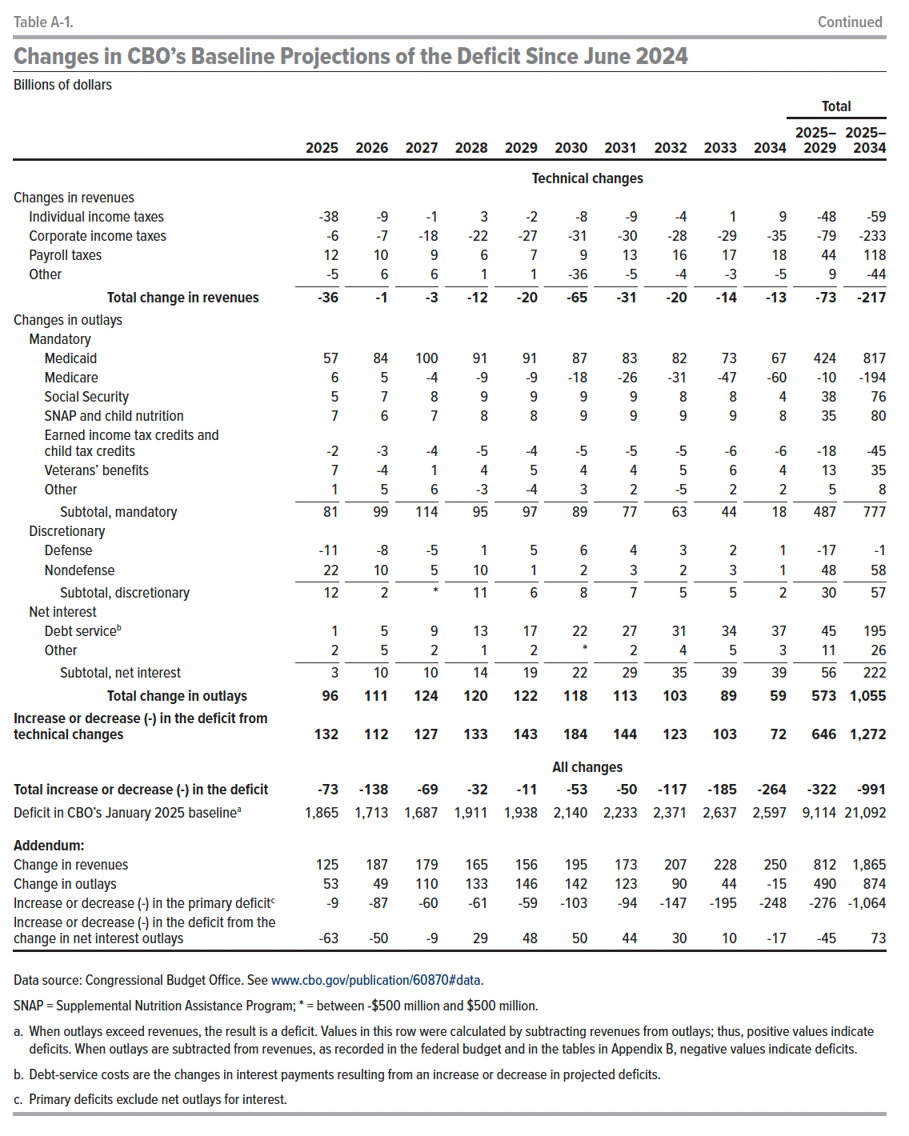
Individual income taxes | -38 | -9 | -1 | 3 | -2 | -8 | -9 | -4 | 1 | 9 | -48 | -59
Corporate income taxes | -6 | -7 | -18 | -22 | -27 | -31 | -30 | -28 | -29 | -35 | -79 | -233
Payroll taxes | 12 | 10 | 9 | 6 | 7 | 9 | 13 | 16 | 17 | 18 | 44 | 118
Other | -5 | 6 | 6 | 1 | 1 | -36 | -5 | -4 | -3 | -5 | 9 | -44
Total change in revenues | -36 | -1 | -3 | -12 | -20 | -65 | -31 | -20 | -14 | -13 | -73 | -217
Changes in outlays
Mandatory
Medicaid | 57 | 84 | 100 | 91 | 91 | 87 | 83 | 82 | 73 | 67 | 424 | 817
Medicare | 6 | 5 | -4 | -9 | -9 | -18 | -26 | -31 | -47 | -60 | -10 | -194
Social Security | 5 | 7 | 8 | 9 | 9 | 9 | 9 | 8 | 8 | 4 | 38 | 76
SNAP and child nutrition | 7 | 6 | 7 | 8 | 8 | 9 | 9 | 9 | 9 | 8 | 35 | 80
Earned income tax credits and child tax credits | -2 | -3 | -4 | -5 | -4 | -5 | -5 | -5 | -6 | -6 | -18 | -45
Veterans’ benefits | 7 | -4 | 1 | 4 | 5 | 4 | 4 | 5 | 6 | 4 | 13 | 35
Other | 1 | 5 | 6 | -3 | -4 | 3 | 2 | -5 | 2 | 2 | 5 | 8
Subtotal, mandatory | 81 | 99 | 114 | 95 | 97 | 89 | 77 | 63 | 44 | 18 | 487 | 777
Discretionary
Defense | -11 | -8 | -5 | 1 | 5 | 6 | 4 | 3 | 2 | 1 | -17 | -1
Nondefense | 22 | 10 | 5 | 10 | 1 | 2 | 3 | 2 | 3 | 1 | 48 | 58
Subtotal, discretionary | 12 | 2 | 0 | 11 | 6 | 8 | 7 | 5 | 5 | 2 | 30 | 57
Net interest
Debt service | 1 | 5 | 9 | 13 | 17 | 22 | 27 | 31 | 34 | 37 | 45 | 195
Other | 2 | 5 | 2 | 1 | 2 | 0 | 2 | 4 | 5 | 3 | 11 | 26
Subtotal, net interest | 3 | 10 | 10 | 14 | 19 | 22 | 29 | 35 | 39 | 39 | 56 | 222
Total change in outlays | 96 | 111 | 124 | 120 | 122 | 118 | 113 | 103 | 89 | 59 | 573 | 1,055
Increase or decrease (-) in the deficit from technical changes | 132 | 112 | 127 | 133 | 143 | 184 | 144 | 123 | 103 | 72 | 646 | 1,272
 | All changes
Total increase or decrease (-) in the deficit | -73 | -138 | -69 | -32 | -11 | -53 | -50 | -117 | -185 | -264 | -322 | -991
Deficit in CBO’s January 2025 baseline | 1,865 | 1,713 | 1,687 | 1,911 | 1,938 | 2,140 | 2,233 | 2,371 | 2,637 | 2,597 | 9,114 | 21,092
Addendum:
Change in revenues | 125 | 187 | 179 | 165 | 156 | 195 | 173 | 207 | 228 | 250 | 812 | 1,865
Change in outlays | 53 | 49 | 110 | 133 | 146 | 142 | 123 | 90 | 44 | -15 | 490 | 874
Increase or decrease (-) in the primary deficit | -9 | -87 | -60 | -61 | -59 | -103 | -94 | -147 | -195 | -248 | -276 | -1,064
Increase or decrease (-) in the deficit from the change in net interest outlays | -63 | -50 | -9 | 29 | 48 | 50 | 44 | 30 | 10 | -17 | -45 | 73

Back to Table of Contents

Table B-1
This file presents data from the tables in CBO's January 2025 report The Budget and Economic Outlook: 2025 to 2035 and also provides supplemental data.
www.cbo.gov/publication/60870

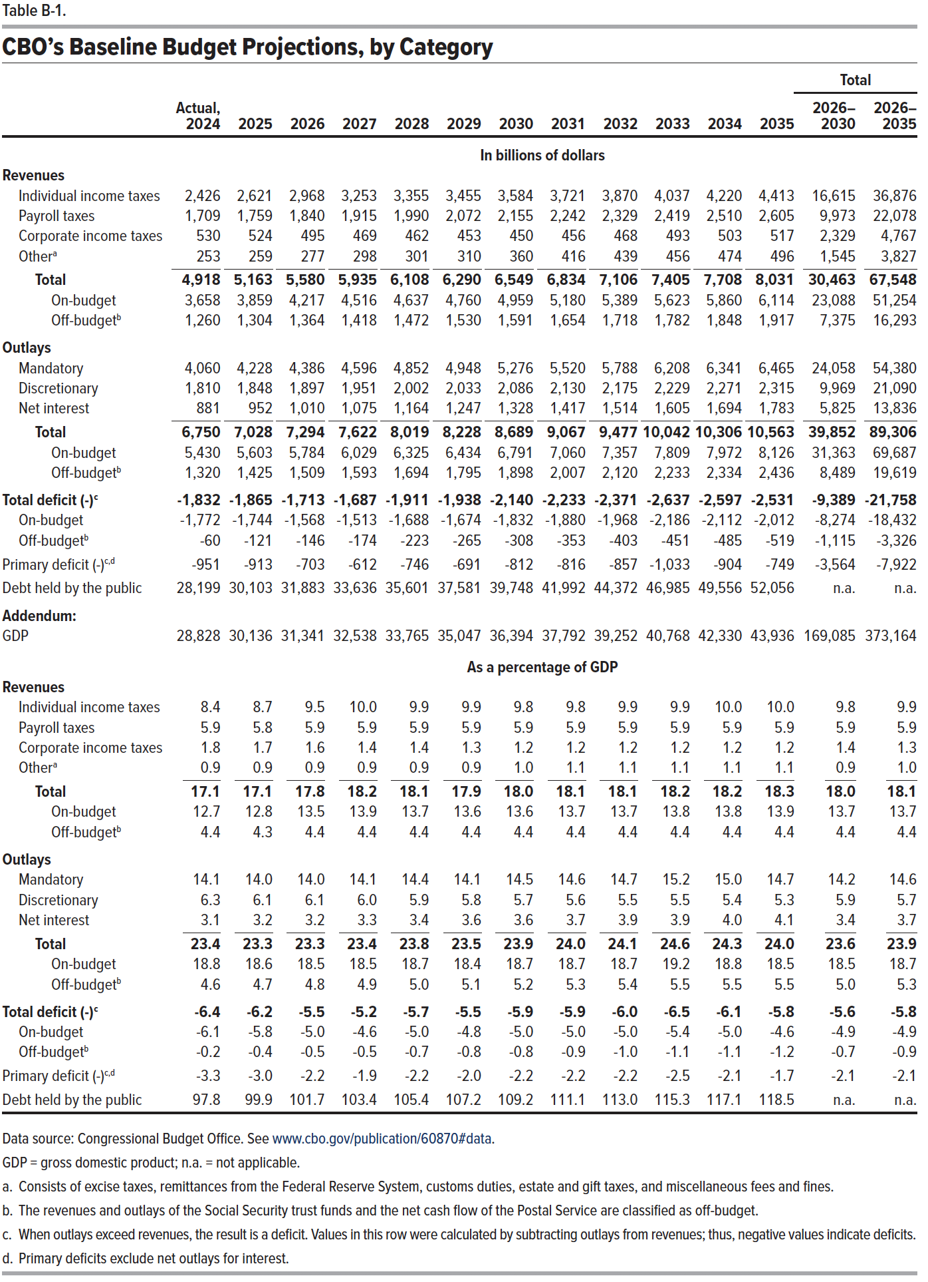
Table B-1. CBO’s Baseline Budget Projections, by Category

 |  |  |  |  |  |  |  |  |  |  |  |  | Total
 | Actual, 2024 | 2025 | 2026 | 2027 | 2028 | 2029 | 2030 | 2031 | 2032 | 2033 | 2034 | 2035 | 2026–2030 | 2026–2035
 | In billions of dollars
Revenues
Individual income taxes | 2,426 | 2,621 | 2,968 | 3,253 | 3,355 | 3,455 | 3,584 | 3,721 | 3,870 | 4,037 | 4,220 | 4,413 | 16,615 | 36,876
Payroll taxes | 1,709 | 1,759 | 1,840 | 1,915 | 1,990 | 2,072 | 2,155 | 2,242 | 2,329 | 2,419 | 2,510 | 2,605 | 9,973 | 22,078
Corporate income taxes | 530 | 524 | 495 | 469 | 462 | 453 | 450 | 456 | 468 | 493 | 503 | 517 | 2,329 | 4,767
Other | 253 | 259 | 277 | 298 | 301 | 310 | 360 | 416 | 439 | 456 | 474 | 496 | 1,545 | 3,827
Total | 4,918 | 5,163 | 5,580 | 5,935 | 6,108 | 6,290 | 6,549 | 6,834 | 7,106 | 7,405 | 7,708 | 8,031 | 30,463 | 67,548
On-budget | 3,658 | 3,859 | 4,217 | 4,516 | 4,637 | 4,760 | 4,959 | 5,180 | 5,389 | 5,623 | 5,860 | 6,114 | 23,088 | 51,254
Off-budget | 1,260 | 1,304 | 1,364 | 1,418 | 1,472 | 1,530 | 1,591 | 1,654 | 1,718 | 1,782 | 1,848 | 1,917 | 7,375 | 16,293
Outlays
Mandatory | 4,060 | 4,228 | 4,386 | 4,596 | 4,852 | 4,948 | 5,276 | 5,520 | 5,788 | 6,208 | 6,341 | 6,465 | 24,058 | 54,380
Discretionary | 1,810 | 1,848 | 1,897 | 1,951 | 2,002 | 2,033 | 2,086 | 2,130 | 2,175 | 2,229 | 2,271 | 2,315 | 9,969 | 21,090
Net interest | 881 | 952 | 1,010 | 1,075 | 1,164 | 1,247 | 1,328 | 1,417 | 1,514 | 1,605 | 1,694 | 1,783 | 5,825 | 13,836
Total | 6,750 | 7,028 | 7,294 | 7,622 | 8,019 | 8,228 | 8,689 | 9,067 | 9,477 | 10,042 | 10,306 | 10,563 | 39,852 | 89,306
On-budget | 5,430 | 5,603 | 5,784 | 6,029 | 6,325 | 6,434 | 6,791 | 7,060 | 7,357 | 7,809 | 7,972 | 8,126 | 31,363 | 69,687
Off-budget | 1,320 | 1,425 | 1,509 | 1,593 | 1,694 | 1,795 | 1,898 | 2,007 | 2,120 | 2,233 | 2,334 | 2,436 | 8,489 | 19,619
Total deficit (-) | -1,832 | -1,865 | -1,713 | -1,687 | -1,911 | -1,938 | -2,140 | -2,233 | -2,371 | -2,637 | -2,597 | -2,531 | -9,389 | -21,758
On-budget | -1,772 | -1,744 | -1,568 | -1,513 | -1,688 | -1,674 | -1,832 | -1,880 | -1,968 | -2,186 | -2,112 | -2,012 | -8,274 | -18,432
Off-budget | -60 | -121 | -146 | -174 | -223 | -265 | -308 | -353 | -403 | -451 | -485 | -519 | -1,115 | -3,326
Primary deficit (-) | -951 | -913 | -703 | -612 | -746 | -691 | -812 | -816 | -857 | -1,033 | -904 | -749 | -3,564 | -7,922
Debt held by the public | 28,199 | 30,103 | 31,883 | 33,636 | 35,601 | 37,581 | 39,748 | 41,992 | 44,372 | 46,985 | 49,556 | 52,056 | n.a. | n.a.
Addendum:
GDP | 28,828 | 30,136 | 31,341 | 32,538 | 33,765 | 35,047 | 36,394 | 37,792 | 39,252 | 40,768 | 42,330 | 43,936 | 169,085 | 373,164
 | As a percentage of GDP
Revenues
Individual income taxes | 8.4 | 8.7 | 9.5 | 10.0 | 9.9 | 9.9 | 9.8 | 9.8 | 9.9 | 9.9 | 10.0 | 10.0 | 9.8 | 9.9
Payroll taxes | 5.9 | 5.8 | 5.9 | 5.9 | 5.9 | 5.9 | 5.9 | 5.9 | 5.9 | 5.9 | 5.9 | 5.9 | 5.9 | 5.9
Corporate income taxes | 1.8 | 1.7 | 1.6 | 1.4 | 1.4 | 1.3 | 1.2 | 1.2 | 1.2 | 1.2 | 1.2 | 1.2 | 1.4 | 1.3
Other | 0.9 | 0.9 | 0.9 | 0.9 | 0.9 | 0.9 | 1.0 | 1.1 | 1.1 | 1.1 | 1.1 | 1.1 | 0.9 | 1.0
Total | 17.1 | 17.1 | 17.8 | 18.2 | 18.1 | 17.9 | 18.0 | 18.1 | 18.1 | 18.2 | 18.2 | 18.3 | 18.0 | 18.1
On-budget | 12.7 | 12.8 | 13.5 | 13.9 | 13.7 | 13.6 | 13.6 | 13.7 | 13.7 | 13.8 | 13.8 | 13.9 | 13.7 | 13.7
Off-budget | 4.4 | 4.3 | 4.4 | 4.4 | 4.4 | 4.4 | 4.4 | 4.4 | 4.4 | 4.4 | 4.4 | 4.4 | 4.4 | 4.4
Outlays
Mandatory | 14.1 | 14.0 | 14.0 | 14.1 | 14.4 | 14.1 | 14.5 | 14.6 | 14.7 | 15.2 | 15.0 | 14.7 | 14.2 | 14.6
Discretionary | 6.3 | 6.1 | 6.1 | 6.0 | 5.9 | 5.8 | 5.7 | 5.6 | 5.5 | 5.5 | 5.4 | 5.3 | 5.9 | 5.7
Net interest | 3.1 | 3.2 | 3.2 | 3.3 | 3.4 | 3.6 | 3.6 | 3.7 | 3.9 | 3.9 | 4.0 | 4.1 | 3.4 | 3.7
Total | 23.4 | 23.3 | 23.3 | 23.4 | 23.8 | 23.5 | 23.9 | 24.0 | 24.1 | 24.6 | 24.3 | 24.0 | 23.6 | 23.9
On-budget | 18.8 | 18.6 | 18.5 | 18.5 | 18.7 | 18.4 | 18.7 | 18.7 | 18.7 | 19.2 | 18.8 | 18.5 | 18.5 | 18.7
Off-budget | 4.6 | 4.7 | 4.8 | 4.9 | 5.0 | 5.1 | 5.2 | 5.3 | 5.4 | 5.5 | 5.5 | 5.5 | 5.0 | 5.3
Total deficit (-) | -6.4 | -6.2 | -5.5 | -5.2 | -5.7 | -5.5 | -5.9 | -5.9 | -6.0 | -6.5 | -6.1 | -5.8 | -5.6 | -5.8
On-budget | -6.1 | -5.8 | -5.0 | -4.6 | -5.0 | -4.8 | -5.0 | -5.0 | -5.0 | -5.4 | -5.0 | -4.6 | -4.9 | -4.9
Off-budget | -0.2 | -0.4 | -0.5 | -0.5 | -0.7 | -0.8 | -0.8 | -0.9 | -1.0 | -1.1 | -1.1 | -1.2 | -0.7 | -0.9
Primary deficit (-) | -3.3 | -3.0 | -2.2 | -1.9 | -2.2 | -2.0 | -2.2 | -2.2 | -2.2 | -2.5 | -2.1 | -1.7 | -2.1 | -2.1
Debt held by the public | 97.8 | 99.9 | 101.7 | 103.4 | 105.4 | 107.2 | 109.2 | 111.1 | 113.0 | 115.3 | 117.1 | 118.5 | n.a. | n.a.

Back to Table of Contents

Table B-2
This file presents data from the tables in CBO's January 2025 report The Budget and Economic Outlook: 2025 to 2035 and also provides supplemental data.
www.cbo.gov/publication/60870

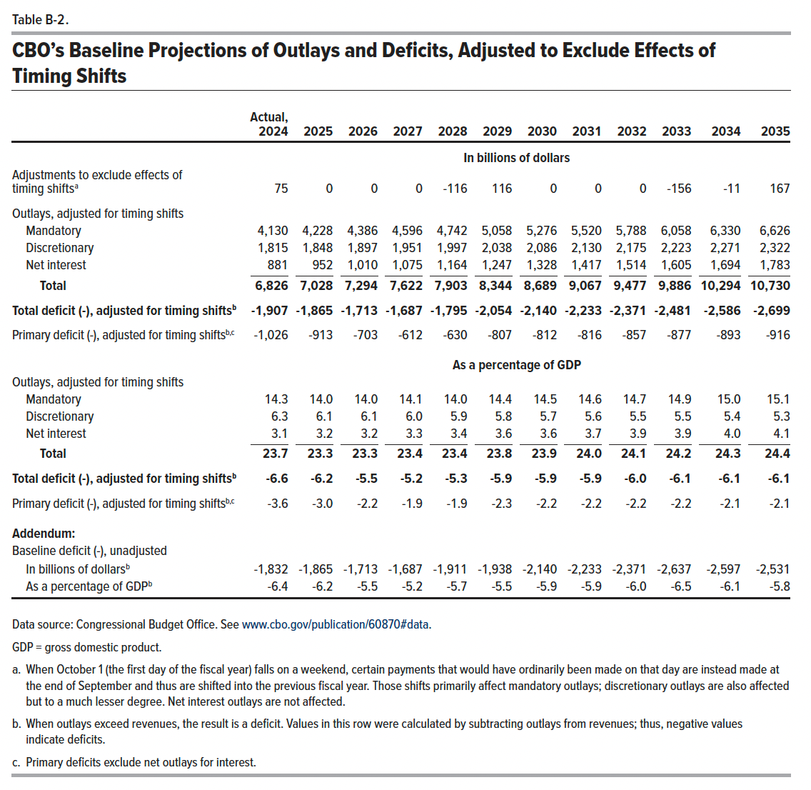
Table B-2. CBO’s Baseline Projections of Outlays and Deficits, Adjusted to Exclude Effects of Timing Shifts

 | Actual, 2024 | 2025 | 2026 | 2027 | 2028 | 2029 | 2030 | 2031 | 2032 | 2033 | 2034 | 2035
 | In billions of dollars
Adjustments to exclude effects of timing shifts | 75 | 0 | 0 | 0 | -116 | 116 | 0 | 0 | 0 | -156 | -11 | 167
Outlays, adjusted for timing shifts
Mandatory | 4,130 | 4,228 | 4,386 | 4,596 | 4,742 | 5,058 | 5,276 | 5,520 | 5,788 | 6,058 | 6,330 | 6,626
Discretionary | 1,815 | 1,848 | 1,897 | 1,951 | 1,997 | 2,038 | 2,086 | 2,130 | 2,175 | 2,223 | 2,271 | 2,322
Net interest | 881 | 952 | 1,010 | 1,075 | 1,164 | 1,247 | 1,328 | 1,417 | 1,514 | 1,605 | 1,694 | 1,783
Total | 6,826 | 7,028 | 7,294 | 7,622 | 7,903 | 8,344 | 8,689 | 9,067 | 9,477 | 9,886 | 10,294 | 10,730
Total deficit (-), adjusted for timing shifts | -1,907 | -1,865 | -1,713 | -1,687 | -1,795 | -2,054 | -2,140 | -2,233 | -2,371 | -2,481 | -2,586 | -2,699
Primary deficit (-), adjusted for timing shifts | -1,026 | -913 | -703 | -612 | -630 | -807 | -812 | -816 | -857 | -877 | -893 | -916
 | As a percentage of GDP
Outlays, adjusted for timing shifts
Mandatory | 14.3 | 14.0 | 14.0 | 14.1 | 14.0 | 14.4 | 14.5 | 14.6 | 14.7 | 14.9 | 15.0 | 15.1
Discretionary | 6.3 | 6.1 | 6.1 | 6.0 | 5.9 | 5.8 | 5.7 | 5.6 | 5.5 | 5.5 | 5.4 | 5.3
Net interest | 3.1 | 3.2 | 3.2 | 3.3 | 3.4 | 3.6 | 3.6 | 3.7 | 3.9 | 3.9 | 4.0 | 4.1
Total | 23.7 | 23.3 | 23.3 | 23.4 | 23.4 | 23.8 | 23.9 | 24.0 | 24.1 | 24.2 | 24.3 | 24.4
Total deficit (-), adjusted for timing shifts | -6.6 | -6.2 | -5.5 | -5.2 | -5.3 | -5.9 | -5.9 | -5.9 | -6.0 | -6.1 | -6.1 | -6.1
Primary deficit (-), adjusted for timing shifts | -3.6 | -3.0 | -2.2 | -1.9 | -1.9 | -2.3 | -2.2 | -2.2 | -2.2 | -2.2 | -2.1 | -2.1
Addendum:
Baseline deficit (-), unadjusted
In billions of dollars | -1,832 | -1,865 | -1,713 | -1,687 | -1,911 | -1,938 | -2,140 | -2,233 | -2,371 | -2,637 | -2,597 | -2,531
As a percentage of GDP | -6.4 | -6.2 | -5.5 | -5.2 | -5.7 | -5.5 | -5.9 | -5.9 | -6.0 | -6.5 | -6.1 | -5.8

Back to Table of Contents

Table B-3
This file presents data from the tables in CBO's January 2025 report The Budget and Economic Outlook: 2025 to 2035 and also provides supplemental data.
www.cbo.gov/publication/60870

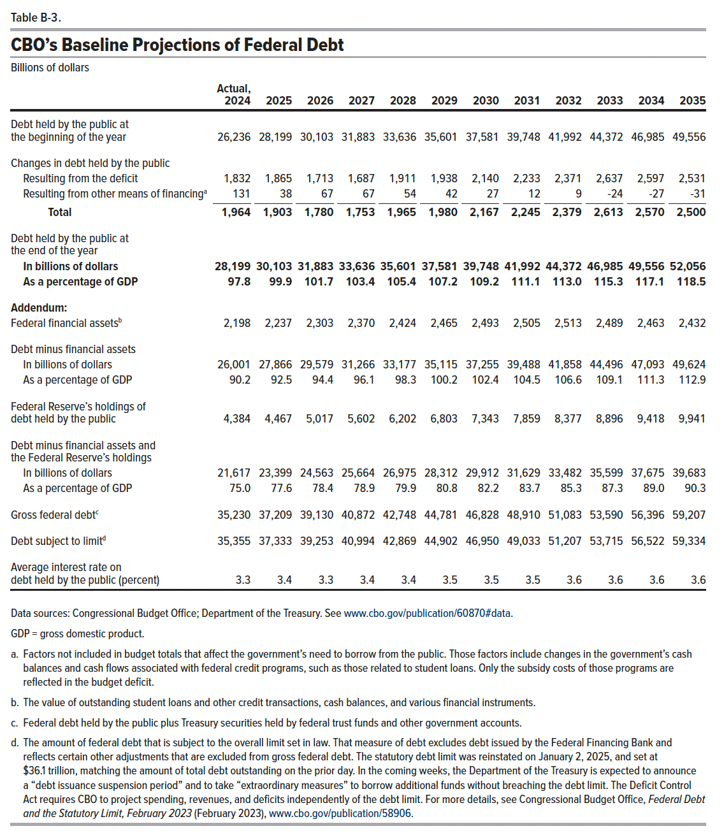
Table B-3. CBO's Baseline Projections of Federal Debt
Billons of dollars

 | Actual, 2024 | 2025 | 2026 | 2027 | 2028 | 2029 | 2030 | 2031 | 2032 | 2033 | 2034 | 2035
Debt held by the public at the beginning of the year | 26,236 | 28,199 | 30,103 | 31,883 | 33,636 | 35,601 | 37,581 | 39,748 | 41,992 | 44,372 | 46,985 | 49,556
Changes in debt held by the public
Resulting from the deficit | 1,832 | 1,865 | 1,713 | 1,687 | 1,911 | 1,938 | 2,140 | 2,233 | 2,371 | 2,637 | 2,597 | 2,531
Resulting from other means of financing | 131 | 38 | 67 | 67 | 54 | 42 | 27 | 12 | 9 | -24 | -27 | -31
Total | 1,964 | 1,903 | 1,780 | 1,753 | 1,965 | 1,980 | 2,167 | 2,245 | 2,379 | 2,613 | 2,570 | 2,500
Debt held by the public at the end of the year
In billions of dollars | 28,199 | 30,103 | 31,883 | 33,636 | 35,601 | 37,581 | 39,748 | 41,992 | 44,372 | 46,985 | 49,556 | 52,056
As a percentage of GDP | 97.8 | 99.9 | 101.7 | 103.4 | 105.4 | 107.2 | 109.2 | 111.1 | 113.0 | 115.3 | 117.1 | 118.5
Addendum:
Federal financial assets | 2,198 | 2,237 | 2,303 | 2,370 | 2,424 | 2,465 | 2,493 | 2,505 | 2,513 | 2,489 | 2,463 | 2,432
Debt minus financial assets
In billions of dollars | 26,001 | 27,866 | 29,579 | 31,266 | 33,177 | 35,115 | 37,255 | 39,488 | 41,858 | 44,496 | 47,093 | 49,624
As a percentage of GDP | 90.2 | 92.5 | 94.4 | 96.1 | 98.3 | 100.2 | 102.4 | 104.5 | 106.6 | 109.1 | 111.3 | 112.9
Federal Reserve’s holdings of debt held by the public | 4,384 | 4,467 | 5,017 | 5,602 | 6,202 | 6,803 | 7,343 | 7,859 | 8,377 | 8,896 | 9,418 | 9,941
Debt minus financial assets and the Federal Reserve’s holdings
In billions of dollars | 21,617 | 23,399 | 24,563 | 25,664 | 26,975 | 28,312 | 29,912 | 31,629 | 33,482 | 35,599 | 37,675 | 39,683
As a percentage of GDP | 75.0 | 77.6 | 78.4 | 78.9 | 79.9 | 80.8 | 82.2 | 83.7 | 85.3 | 87.3 | 89.0 | 90.3
Gross federal debt | 35,230 | 37,209 | 39,130 | 40,872 | 42,748 | 44,781 | 46,828 | 48,910 | 51,083 | 53,590 | 56,396 | 59,207
Debt subject to limit | 35,355 | 37,333 | 39,253 | 40,994 | 42,869 | 44,902 | 46,950 | 49,033 | 51,207 | 53,715 | 56,522 | 59,334
Average interest rate on debt held by the public (percent) | 3.3 | 3.4 | 3.3 | 3.4 | 3.4 | 3.5 | 3.5 | 3.5 | 3.6 | 3.6 | 3.6 | 3.6

Back to Table of Contents

Table B-4
This file presents data from the tables in CBO's January 2025 report The Budget and Economic Outlook: 2025 to 2035 and also provides supplemental data.
www.cbo.gov/publication/60870

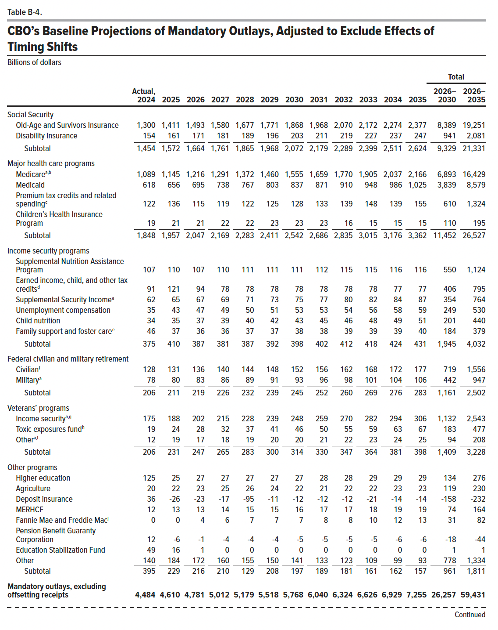
Table B-4. CBO's Baseline Projections of Mandatory Outlays, Adjusted to Exclude Effects of Timing Shifts
Billions of dollars

 |  |  |  |  |  |  |  |  |  |  |  |  | Total
 | Actual, 2024 | 2025 | 2026 | 2027 | 2028 | 2029 | 2030 | 2031 | 2032 | 2033 | 2034 | 2035 | 2026–2030 | 2026–2035
Social Security
Old-Age and Survivors Insurance | 1,300 | 1,411 | 1,493 | 1,580 | 1,677 | 1,771 | 1,868 | 1,968 | 2,070 | 2,172 | 2,274 | 2,377 | 8,389 | 19,251
Disability Insurance | 154 | 161 | 171 | 181 | 189 | 196 | 203 | 211 | 219 | 227 | 237 | 247 | 941 | 2,081
Subtotal | 1,454 | 1,572 | 1,664 | 1,761 | 1,865 | 1,968 | 2,072 | 2,179 | 2,289 | 2,399 | 2,511 | 2,624 | 9,329 | 21,331
Major health care programs
Medicare | 1,089 | 1,145 | 1,216 | 1,291 | 1,372 | 1,460 | 1,555 | 1,659 | 1,770 | 1,905 | 2,037 | 2,166 | 6,893 | 16,429
Medicaid | 618 | 656 | 695 | 738 | 767 | 803 | 837 | 871 | 910 | 948 | 986 | 1,025 | 3,839 | 8,579
Premium tax credits and related spending | 122 | 136 | 115 | 119 | 122 | 125 | 128 | 133 | 139 | 148 | 139 | 155 | 610 | 1,324
Children's Health Insurance Program | 19 | 21 | 21 | 22 | 22 | 23 | 23 | 23 | 16 | 15 | 15 | 15 | 110 | 195
Subtotal | 1,848 | 1,957 | 2,047 | 2,169 | 2,283 | 2,411 | 2,542 | 2,686 | 2,835 | 3,015 | 3,176 | 3,362 | 11,452 | 26,527
Income security programs
Supplemental Nutrition Assistance Program | 107 | 110 | 107 | 110 | 111 | 111 | 111 | 112 | 115 | 115 | 116 | 116 | 550 | 1,124
Earned income, child, and other tax credits | 91 | 121 | 94 | 78 | 78 | 78 | 78 | 78 | 78 | 78 | 77 | 77 | 406 | 795
Supplemental Security Income | 62 | 65 | 67 | 69 | 71 | 73 | 75 | 77 | 80 | 82 | 84 | 87 | 354 | 764
Unemployment compensation | 35 | 43 | 47 | 49 | 50 | 51 | 53 | 53 | 54 | 56 | 58 | 59 | 249 | 530
Child nutrition | 34 | 35 | 37 | 39 | 40 | 42 | 43 | 45 | 46 | 48 | 49 | 51 | 201 | 440
Family support and foster care | 46 | 37 | 36 | 36 | 37 | 37 | 38 | 38 | 39 | 39 | 39 | 40 | 184 | 379
Subtotal | 375 | 410 | 387 | 381 | 387 | 392 | 398 | 402 | 412 | 418 | 424 | 431 | 1,945 | 4,032
Federal civilian and military retirement
Civilian | 128 | 131 | 136 | 140 | 144 | 148 | 152 | 156 | 162 | 168 | 172 | 177 | 719 | 1,556
Military | 78 | 80 | 83 | 86 | 89 | 91 | 93 | 96 | 98 | 101 | 104 | 106 | 442 | 947
Subtotal | 206 | 211 | 219 | 226 | 232 | 239 | 245 | 252 | 260 | 269 | 276 | 283 | 1,161 | 2,502
Veterans' programs
Income security | 175 | 188 | 202 | 215 | 228 | 239 | 248 | 259 | 270 | 282 | 294 | 306 | 1,132 | 2,543
Toxic exposures fund | 19 | 24 | 28 | 32 | 37 | 41 | 46 | 50 | 55 | 59 | 63 | 67 | 183 | 477
Other | 12 | 19 | 17 | 18 | 19 | 20 | 20 | 21 | 22 | 23 | 24 | 25 | 94 | 208
Subtotal | 206 | 231 | 247 | 265 | 283 | 300 | 314 | 330 | 347 | 364 | 381 | 398 | 1,409 | 3,228
Other programs
Higher education | 125 | 25 | 27 | 27 | 27 | 27 | 27 | 28 | 28 | 29 | 29 | 29 | 134 | 276
Agriculture | 20 | 22 | 23 | 25 | 26 | 24 | 22 | 21 | 22 | 22 | 23 | 23 | 119 | 230
Deposit Insurance | 36 | -26 | -23 | -17 | -95 | -11 | -12 | -12 | -12 | -21 | -14 | -14 | -158 | -232
MERHCF | 12 | 13 | 13 | 14 | 15 | 15 | 16 | 17 | 17 | 18 | 19 | 19 | 74 | 164
Fannie Mae and Freddie Mac | 0 | 0 | 4 | 6 | 7 | 7 | 7 | 8 | 8 | 10 | 12 | 13 | 31 | 82
Pension Benefit Guaranty Corporation | 12 | -6 | -1 | -4 | -4 | -4 | -5 | -5 | -5 | -5 | -6 | -6 | -18 | -44
Education Stabilization Fund | 49 | 16 | 1 | 0 | 0 | 0 | 0 | 0 | 0 | 0 | 0 | 0 | 1 | 1
Other | 140 | 184 | 172 | 160 | 155 | 150 | 141 | 133 | 123 | 109 | 99 | 93 | 778 | 1,334
Subtotal | 395 | 229 | 216 | 210 | 129 | 208 | 197 | 189 | 181 | 161 | 162 | 157 | 961 | 1,811
Mandatory outlays, excluding offsetting receipts | 4,484 | 4,610 | 4,781 | 5,012 | 5,179 | 5,518 | 5,768 | 6,040 | 6,324 | 6,626 | 6,929 | 7,255 | 26,257 | 59,431
Offsetting receipts
Medicare | -179 | -203 | -215 | -233 | -250 | -267 | -289 | -311 | -335 | -363 | -389 | -413 | -1,254 | -3,065
Federal share of federal employees' retirement
Civil service retirement and other | -61 | -64 | -66 | -68 | -70 | -72 | -74 | -77 | -79 | -81 | -84 | -86 | -350 | -758
Military retirement | -25 | -23 | -22 | -22 | -23 | -24 | -24 | -25 | -25 | -26 | -27 | -27 | -115 | -245
Social Security | -23 | -23 | -24 | -25 | -26 | -27 | -27 | -28 | -29 | -30 | -31 | -32 | -129 | -278
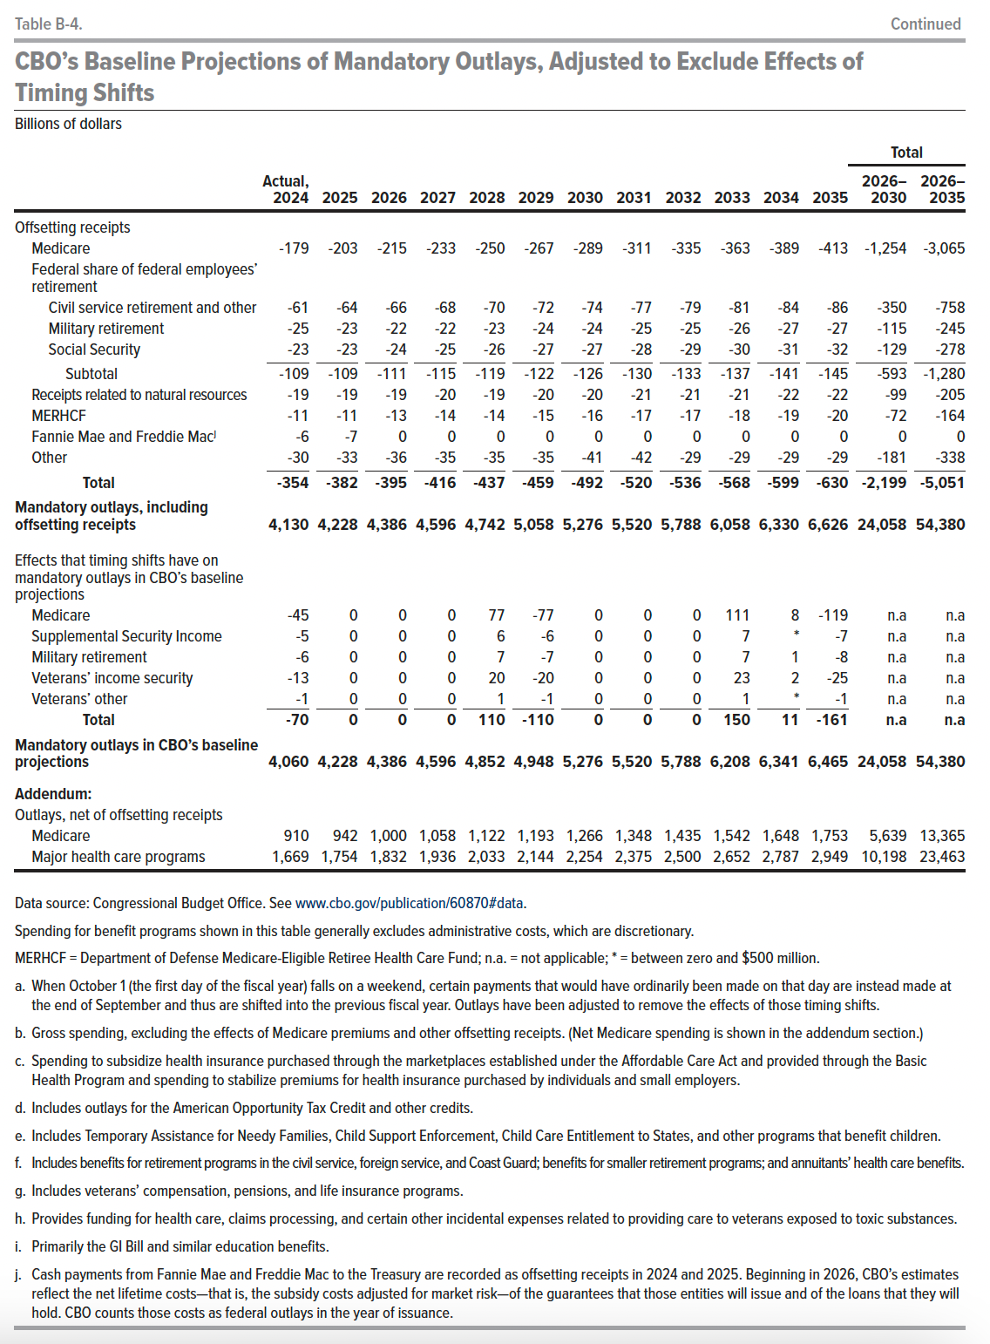
Subtotal | -109 | -109 | -111 | -115 | -119 | -122 | -126 | -130 | -133 | -137 | -141 | -145 | -593 | -1,280
Receipts related to natural resources | -19 | -19 | -19 | -20 | -19 | -20 | -20 | -21 | -21 | -21 | -22 | -22 | -99 | -205
MERHCF | -11 | -11 | -13 | -14 | -14 | -15 | -16 | -17 | -17 | -18 | -19 | -20 | -72 | -164
Fannie Mae and Freddie Mac | -6 | -7 | 0 | 0 | 0 | 0 | 0 | 0 | 0 | 0 | 0 | 0 | 0 | 0
Other | -30 | -33 | -36 | -35 | -35 | -35 | -41 | -42 | -29 | -29 | -29 | -29 | -181 | -338
Total | -354 | -382 | -395 | -416 | -437 | -459 | -492 | -520 | -536 | -568 | -599 | -630 | -2,199 | -5,051
Mandatory outlays, including offsetting receipts | 4,130 | 4,228 | 4,386 | 4,596 | 4,742 | 5,058 | 5,276 | 5,520 | 5,788 | 6,058 | 6,330 | 6,626 | 24,058 | 54,380
Effects that timing shifts have on mandatory outlays in CBO's baseline projections
Medicare | -45 | 0 | 0 | 0 | 77 | -77 | 0 | 0 | 0 | 111 | 8 | -119 | n.a | n.a
Supplemental Security Income | -5 | 0 | 0 | 0 | 6 | -6 | 0 | 0 | 0 | 7 | 0 | -7 | n.a | n.a
Military retirement | -6 | 0 | 0 | 0 | 7 | -7 | 0 | 0 | 0 | 7 | 1 | -8 | n.a | n.a
Veterans' income security | -13 | 0 | 0 | 0 | 20 | -20 | 0 | 0 | 0 | 23 | 2 | -25 | n.a | n.a
Veterans' other | -1 | 0 | 0 | 0 | 1 | -1 | 0 | 0 | 0 | 1 | 0 | -1 | n.a | n.a
Total | -70 | 0 | 0 | 0 | 110 | -110 | 0 | 0 | 0 | 150 | 11 | -161 | n.a | n.a
Mandatory outlays in CBO's baseline projections | 4,060 | 4,228 | 4,386 | 4,596 | 4,852 | 4,948 | 5,276 | 5,520 | 5,788 | 6,208 | 6,341 | 6,465 | 24,058 | 54,380
Addendum:
Outlays, net of offsetting receipts
Medicare | 910 | 942 | 1,000 | 1,058 | 1,122 | 1,193 | 1,266 | 1,348 | 1,435 | 1,542 | 1,648 | 1,753 | 5,639 | 13,365
Major health care programs | 1,669 | 1,754 | 1,832 | 1,936 | 2,033 | 2,144 | 2,254 | 2,375 | 2,500 | 2,652 | 2,787 | 2,949 | 10,198 | 23,463

Back to Table of Contents

Table B-5
This file presents data from the tables in CBO's January 2025 report The Budget and Economic Outlook: 2025 to 2035 and also provides supplemental data.
www.cbo.gov/publication/60870

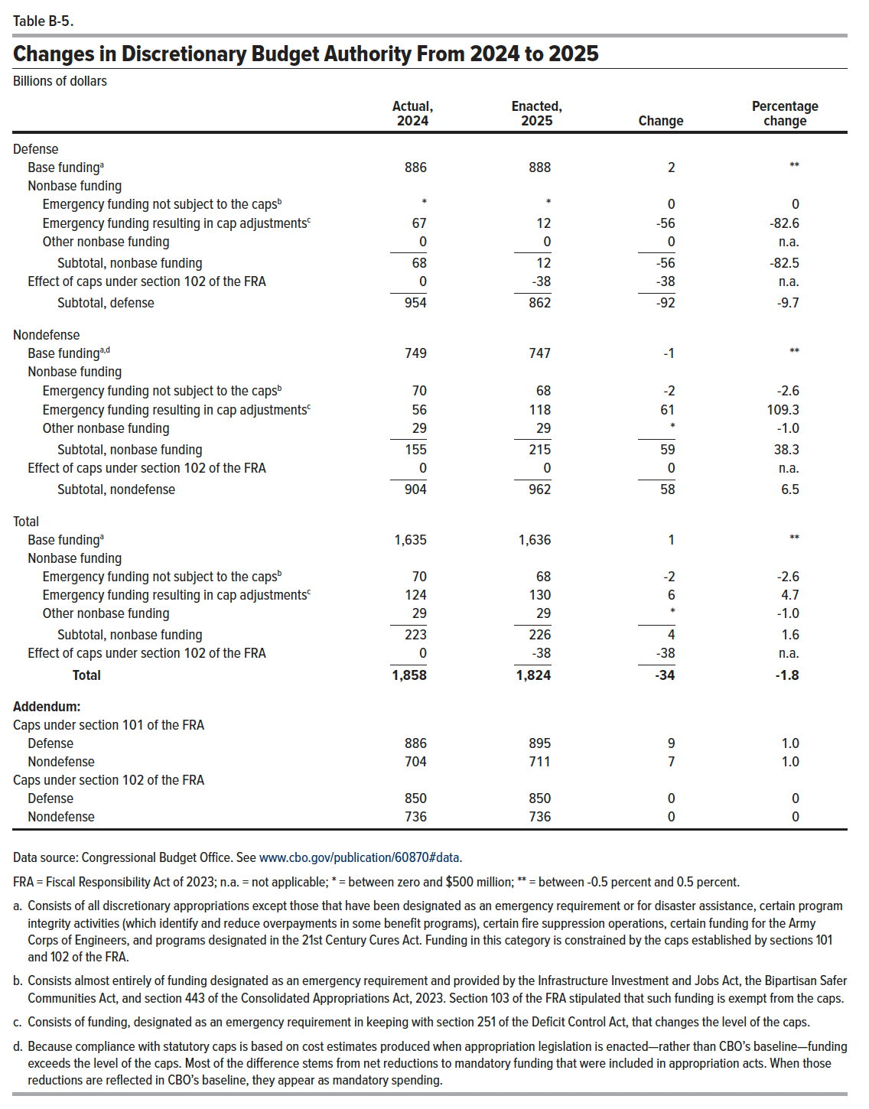
Table B-5. Changes in Discretionary Budget Authority From 2024 to 2025
Billions of dollars

 | Actual, 2024 | Enacted, 2025 | Change | Percentage change
Defense
Base funding | 886 | 888 | 2 | 0.2
Nonbase funding
Emergency funding not subject to the caps | 0 | 0 | 0 | 0
Emergency funding resulting in cap adjustments | 67 | 12 | -56 | -82.6
Other nonbase funding | 0 | 0 | 0 | n.a.
Subtotal, nonbase funding | 68 | 12 | -56 | -82.5
Effect of caps under section 102 of the FRA | 0 | -38 | -38 | n.a.
Subtotal, defense | 954 | 862 | -92 | -9.7
Nondefense
Base funding | 749 | 747 | -1 | -0.1
Nonbase funding
Emergency funding not subject to the caps | 70 | 68 | -2 | -2.6
Emergency funding resulting in cap adjustments | 56 | 118 | 61 | 109.3
Other nonbase funding | 29 | 29 | 0 | -1.0
Subtotal, nonbase funding | 155 | 215 | 59 | 38.3
Effect of caps under section 102 of the FRA | 0 | 0 | 0 | n.a.
Subtotal, nondefense | 904 | 962 | 58 | 6.5
Total
Base funding | 1,635 | 1,636 | 1 | 0.0
Nonbase funding
Emergency funding not subject to the caps | 70 | 68 | -2 | -2.6
Emergency funding resulting in cap adjustments | 124 | 130 | 6 | 4.7
Other nonbase funding | 29 | 29 | 0 | -1.0
Subtotal, nonbase funding | 223 | 226 | 4 | 1.6
Effect of caps under section 102 of the FRA | 0 | -38 | -38 | n.a.
Total | 1,858 | 1,824 | -34 | -1.8
Addendum:
Caps under section 101 of the FRA
Defense | 886 | 895 | 9 | 1.0
Nondefense | 704 | 711 | 7 | 1.0
Caps under section 102 of the FRA
Defense | 850 | 850 | 0 | 0.0
Nondefense | 736 | 736 | 0 | 0.0

Back to Table of Contents

Table B-6
This file presents data from the tables in CBO's January 2025 report The Budget and Economic Outlook: 2025 to 2035 and also provides supplemental data.
www.cbo.gov/publication/60870

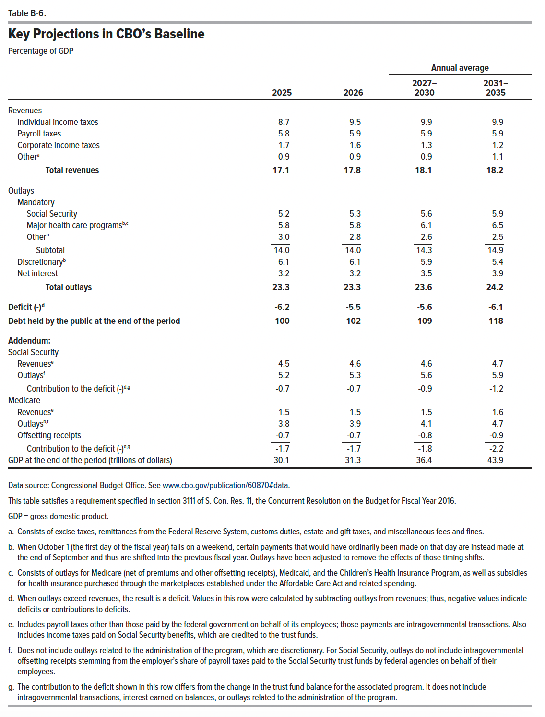
Table B-6. Key Projections in CBO's Baseline
Percentage of GDP

 |  |  | Annual average
 | 2025 | 2026 | 2027–2030 | 2031–2035
Revenues
Individual income taxes | 8.7 | 9.5 | 9.9 | 9.9
Payroll taxes | 5.8 | 5.9 | 5.9 | 5.9
Corporate income taxes | 1.7 | 1.6 | 1.3 | 1.2
Other | 0.9 | 0.9 | 0.9 | 1.1
Total revenues | 17.1 | 17.8 | 18.1 | 18.2
Outlays
Mandatory
Social Security | 5.2 | 5.3 | 5.6 | 5.9
Major health care programs | 5.8 | 5.8 | 6.1 | 6.5
Other | 3.0 | 2.8 | 2.6 | 2.5
Subtotal | 14.0 | 14.0 | 14.3 | 14.9
Discretionary | 6.1 | 6.1 | 5.9 | 5.4
Net interest | 3.2 | 3.2 | 3.5 | 3.9
Total outlays | 23.3 | 23.3 | 23.6 | 24.2
Deficit (-) | -6.2 | -5.5 | -5.6 | -6.1
Debt held by the public at the end of the period | 100 | 102 | 109 | 118
Addendum:
Social Security
Revenues | 4.5 | 4.6 | 4.6 | 4.7
Outlays | 5.2 | 5.3 | 5.6 | 5.9
Contribution to the deficit (-) | -0.7 | -0.7 | -0.9 | -1.2
Medicare
Revenues | 1.5 | 1.5 | 1.5 | 1.6
Outlays | 3.8 | 3.9 | 4.1 | 4.7
Offsetting receipts | -0.7 | -0.7 | -0.8 | -0.9
Contribution to the deficit (-) | -1.7 | -1.7 | -1.8 | -2.2
GDP at the end of the period (trillions of dollars) | 30.1 | 31.3 | 36.4 | 43.9

Back to Table of Contents

